1. Title Page
[Instacart Grocery Basket Analysis]

Project Name: Instacart Grocery Basket Analysis
Date: 26.03.2024
Analyst Name: Dat Do

Contents:
Population Flow
Consistency checks
Wrangling steps
Column derivations
Visualizations
Recommendations

2. Population Flow
Title page

Population flow

Exclusion flag
Condition: max_order <
Obervations to be removed:
Final total count of order_products_all:

Orders_products_combined
Orders_products_merged
Orders_products_all

Total: 32404859
Total: 32434489
Total:

1.) The grey boxes in the first row of the population flow represent the original data sets as they were when you downloaded them. In the Total fields you need to add the count of the rows when you imported the data set into Jupyter.
2.) The second row of boxes (coloured) represents the data sets after you manipulated them, e.g., removed missing values and duplicates. In the Total fields you need to add the count of the rows after conducting these operations. This offers a visual oveview of how the data flows throughout the data consistency checks.
3.) The third row, where also the arrows are coloured, represents the merges you performed between the datasets. In the Total fields you need to add the count of the rows in the merged datasets, so that you end up with the final dataset (in the red box). Keep in mind the final dataset should be without exclusions (based on the exclusion flag).

3. Consistency checks
 |  |  |  | Title page
Consistency checks

Dataset | Missing values | Missing values treatment | Duplicates
orders | There are 206209 missing values in the 'days_since_prior_order' column
products | 16 rows in product_name column | Created a new dataframe for a clean dataframe without the 16 rows. | 5 Duplicate rows
orders_products_prior
customers

4. Wrangling steps
 |  |  |  | Title page
Wrangling steps

Columns dropped | Columns renamed | Columns' type changed | Comment/Reason
eval_set |  |  | removal of eval_set column because it is not revelant to the analysis
 | order_dow |  | changing the name of the column 'order_dow' so it is easier to understand for people who don't know what 'dow' means. New name is 'order_day_of_week'
 |  | order_id | order_id changed from numeric to string data type
 |  | user_id | user_id changed to string data type

5. Column derivations
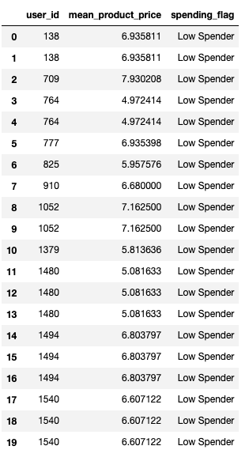
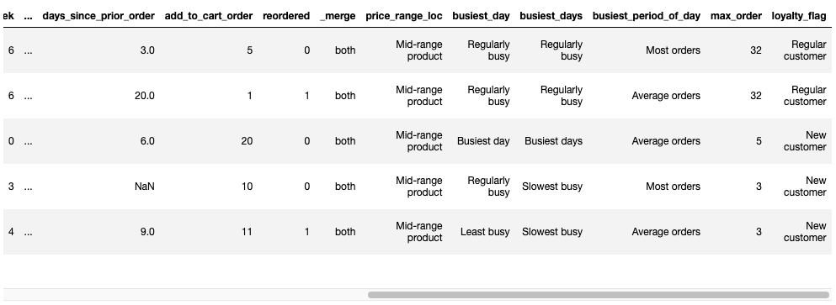
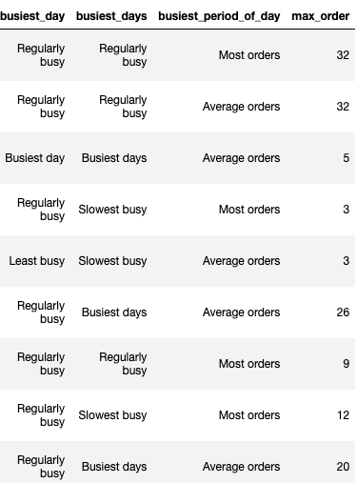
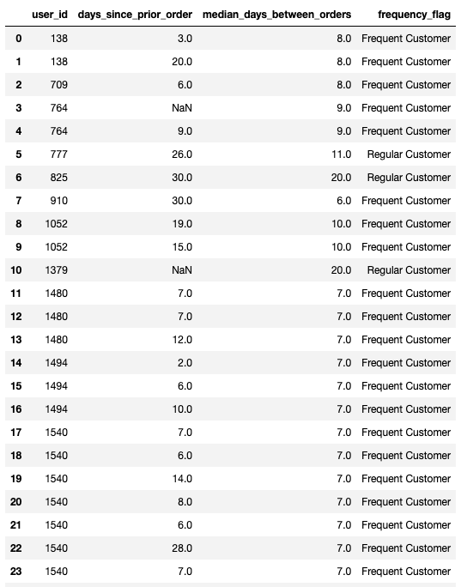
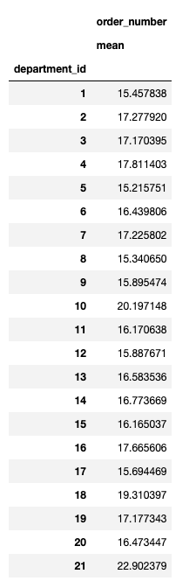
 |  |  |  | Title page

Column derivations and aggregations

In this tab you should add tables below that the frequences of flags/label variables that you produced after deriving them. NB: don't do this for continuous variables, only for flags.
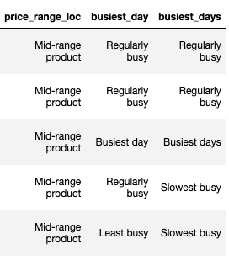
Dataset | New column | Column/s it was derived from | Conditions
df_ords_prods_merge | price_range_loc | prices
df_ords_prods_merge | price_range | prices
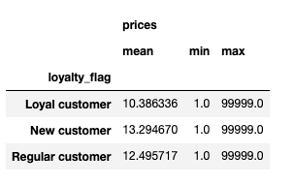
df_ords_prods_merge | busiest_day | orders_day_of_week
df_ords_prods_merge | busiest_days | orders_day_of_week
df_ords_prods_merge | busiest_period_of_day | order_hour_of_day

df_ords_prods_merge | order_number: mean | department_id
df_ords_prods_merge | max_order | user_id, order_number
df_ords_prods_merge | loyalty_flag | max_order
df_ords_prods_merge | prices: mean, min, max | loyalty_flag
df_ords_prods_merge | mean_prodict_price | user_id, prices
df_ords_prods_merge | spending_flag | mean_product_price
df_ords_prods_merge | median_days_between_orders | user_id, days_since_prior_order
df_ords_prods_merge | frequency_flag | median_days_between_orders

6. Visualizations
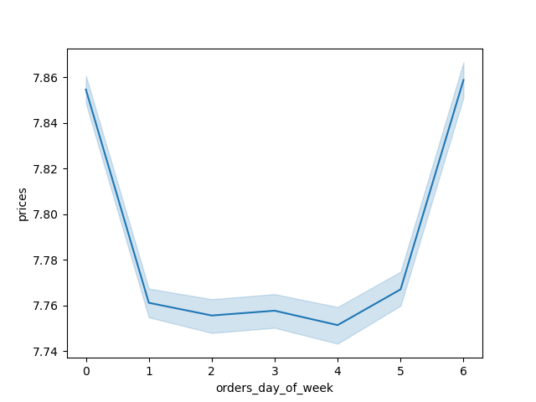



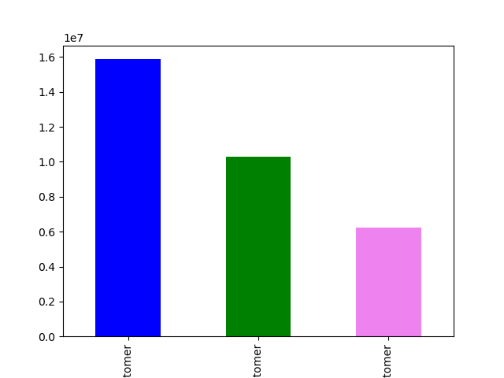
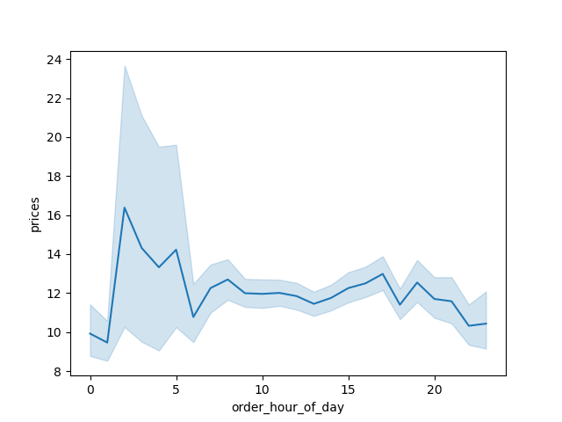


Title page

Visualisations

In this tab you should include all the visualtions from Exercises 4.9 and 4.10, alongside the questions from the project brief that they answer. Include any commentary on the relationship between different variables.

7. Recommendations
 |  | Title page

Recommendations

In this tab you should include any recommendations you would made to Instcart in terms of their marketing strategy based on the questions posed in the brief. Every key question has been covered in the Tasks of the Exercises - here you need to add an item - a visualisation or table/crosstable that is showing the answer in the data, acompanied by a comment from you. Please, list the questions below and add the answer underneath.

Question | Answer
Key Question 1
Key Question 2
Key Question 3
Key Question 4
Key Question 5
Key Question 6
Key Question 7

